Sheet1
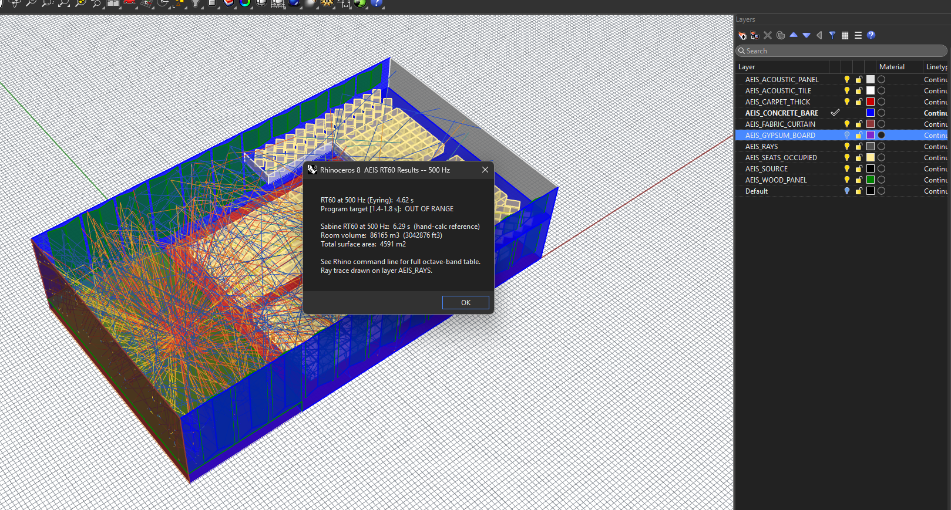
ARC5443
Act I
Schwalm

Hall
Volume (CF) | 157500 |  | Equations
Target RT60 | 1.4 to 1.8 s |  | Sabine | RT60 = 0.049 x V / A | Example ln
Total Surface Area (SF) | 32792 |  | Eyring | RT60 = 0.049 x V / [ +S x ln(1 - (A / S))] | ln = ln(1 - 0.30) | -0.35667494394

Surface / Layer (Ref. Table 22.1 - Pg 1078) | Area (SF) | A @ 500 HZ | A @ 1 KHZ | A @ 500 HZ (Sabins)
AEIS_ACOUSTIC_PANEL | 1800 | 0.83 | 1.03 | 1494
AEIS_CARPET_THICK | 4500 | 0.57 | 0.69 | 2565
AEIS_CONCRETE_BARE | 7270 | 0.015 | 0.02 | 109
AEIS_FABRIC_CURTAIN | 1500 | 0.49 | 0.75 | 735
AEIS_GYPSUM_BOARD | 6300 | 0.02 | 0.03 | 126
AEIS_SEATS_OCCUPIED | 6187 | 0.88 | 0.96 | 5444
AEIS_WOOD_PANEL | 5235 | 0.17 | 0.09 | 890
Totals | 32792 |  |  | 11363

 | Sabine
 | Sabine @ 500 HZ = 0.049 x 157,500 CF / 11,363
 | 0.68 | s
 | Below Target - Room will sound too 'dead' due to lack of reverb

 | Eyring
 | 0.049 x 157,500 / (-32,792 SF x ln(1 - (11,363 / 32,792 ))
 | 0.55 | s
 | Below Target - Room will sound too 'dead' due to lack of reverb

 | Rhino Python Results:

